UI Mockups
User Story Card - UI Mockup
Create screen shots of the proposed user interface (UI) for this story
Instructions:
1) Determine what the baseline of the mockup should be and document over on the right. (OOTB) This screen shot(s) is just for reference.
2) Create screen shots of the proposed user interface (UI) for this story directly below. Add associated requirement # for new and modified fields from the 'UI Fields' tab

This screen will not be leveraged for production. It is used to define New Account data flow that will be expected as part of account creation in PAS prior to being sent to BC |  | < Insert baseline mockups for this story below >

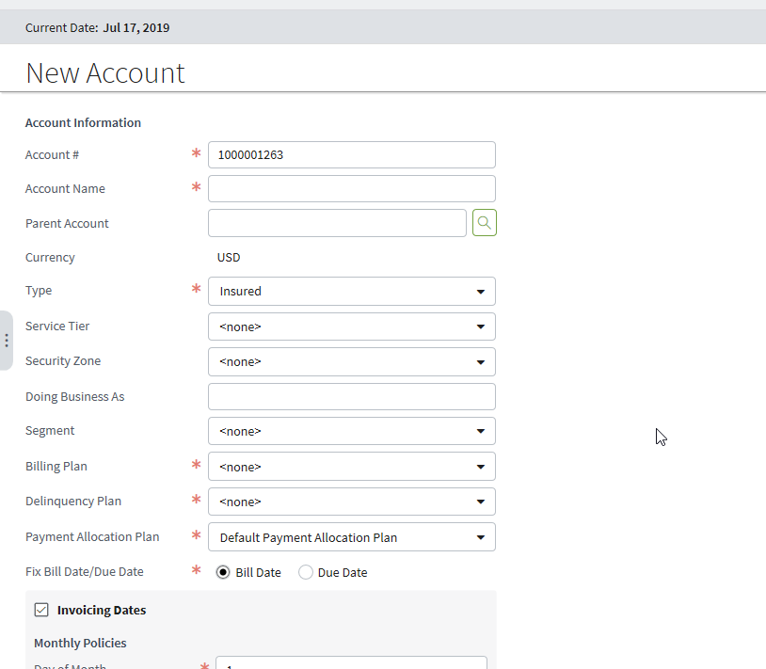

 |  | CPBuildingPopup.pcf

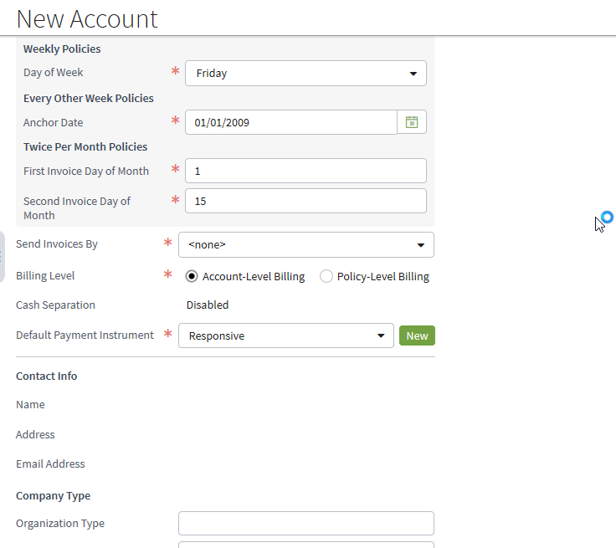

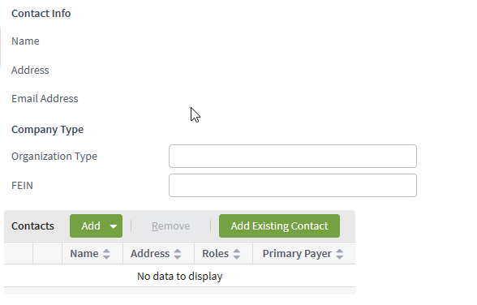

Addition as of 2/26/2020:
New Account screen in BillingCenter - case when Billing Level = Policy -Level Billing | Rule: do not have area to add primary payer or require this field, or have column in contact table.
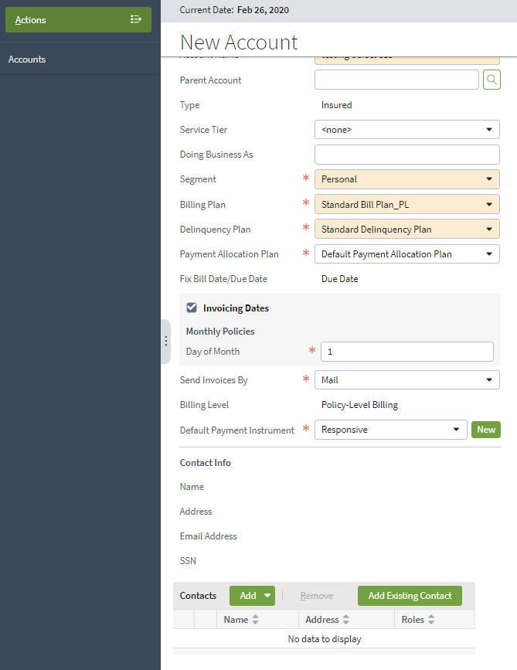
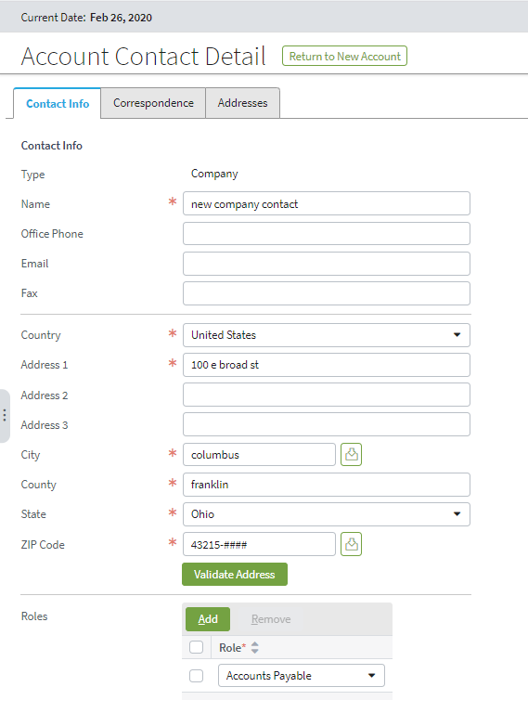

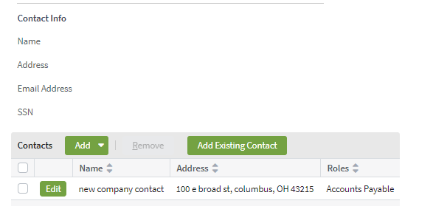

Note: This is different from account bill.
This difference stems from business rule that primary payer for policy level bill is on policy level and account level bill on account level
Additonal note: In production would never be creating account directly in BC so just for testing purposes putting requirement here.

